Sheet1
Part II

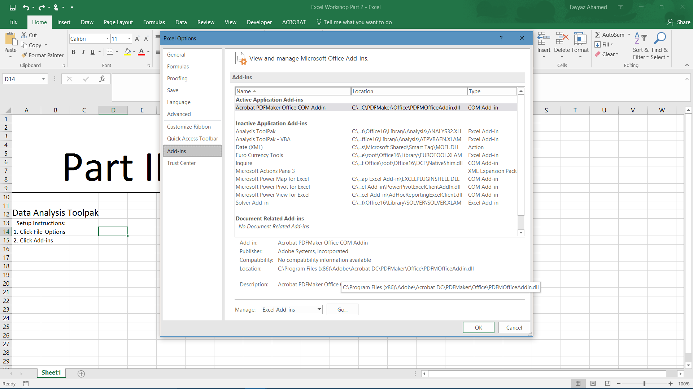
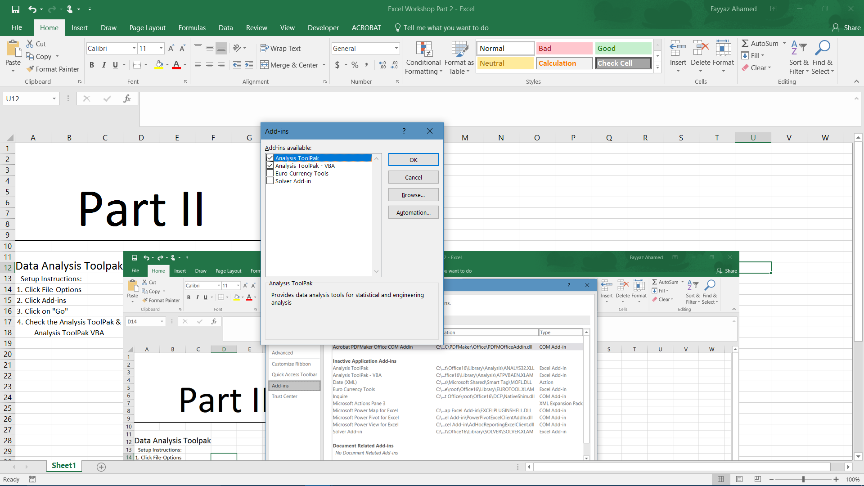
Data Analysis Toolpak

Setup Instructions:
1. Click File-Options
2. Click Add-ins
3. Click on "Go"
4. Check the Analysis ToolPak & Analysis ToolPak VBA

(Follow the Pictures if you need help, or ask one of the assistants)

If you are on Mac, then it should be under Tools, and you click Excel Add-ins and do the same thing

Uses:
1. Examine the Data On Running Data Sheet (2nd Sheet) | (The Data is from an application that tracked my running data)

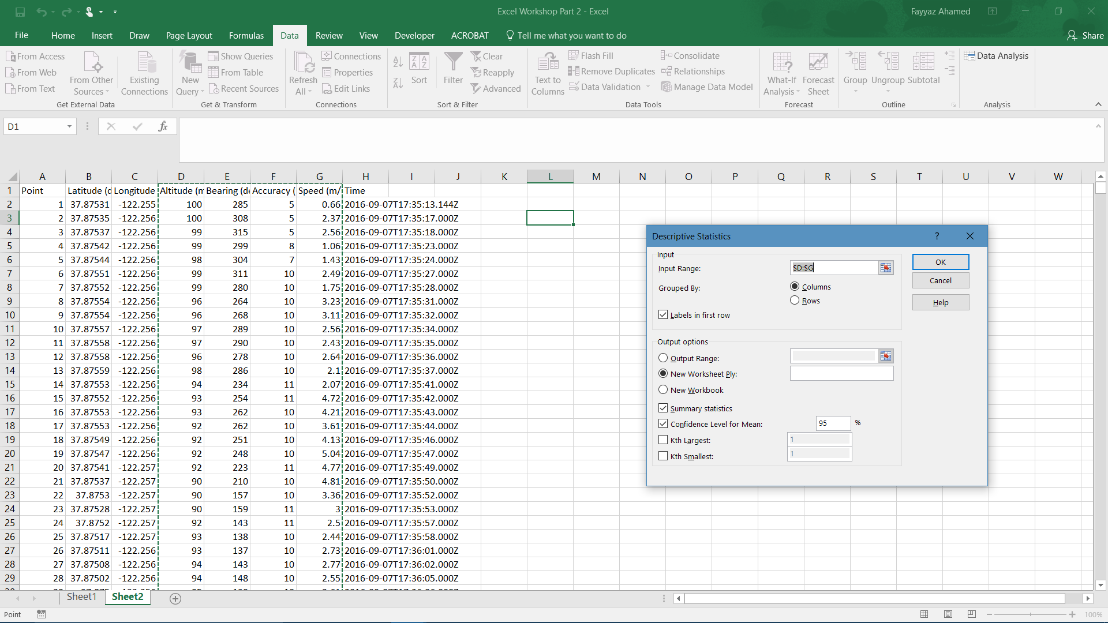
2. Next Go to the Data Tab & Click Data Analysis

2.5. Click Descriptive Statistics
3. Select the Columns You Want to be analyzed

4. Check the Summary Statistics and Confidence Level for Mean to create a confidence interval

5. Feel free to copy and paste these instructions into Sheet 2 so they are easier to read

6. The software will print your summary statistics in a new sheet

T-tests:
Let's say I wanted to see if my average speed was slower in the second half than in the first. |  | What is a t-test?
We can assume the application randomly selected times to sample instantaneous speed |  | A t-test is a statistical method that proves if two random samples have a statistically significant difference
So we need to run a one tailed t-test. |  | Say you have a control group and an experimental group. The t-test will determine if the change in response is caused due to chance or not.
1. Open Data Analysis Tab |  | In Excel, with the data analysis toolpak, all you have to do is select the two groups
2. Click t-test: Two Sample Means Assuming Equal Variances |  | The data analysis toolpak will give the average of one sample and the average of another.
3. You have the n-value, so select the first half for the first sample group, and the second half for the second |  | If the difference is very different from 0, it will give something called a p-value.
 |  | The p-value tells you the probability that the difference is due to chance.
4. Run the test with a hypothesized mean difference of 0 |  | If the p-value is less than 0.05, then the difference is generally considered statistically significant.
5. Interpret the Results: That's where you come in!
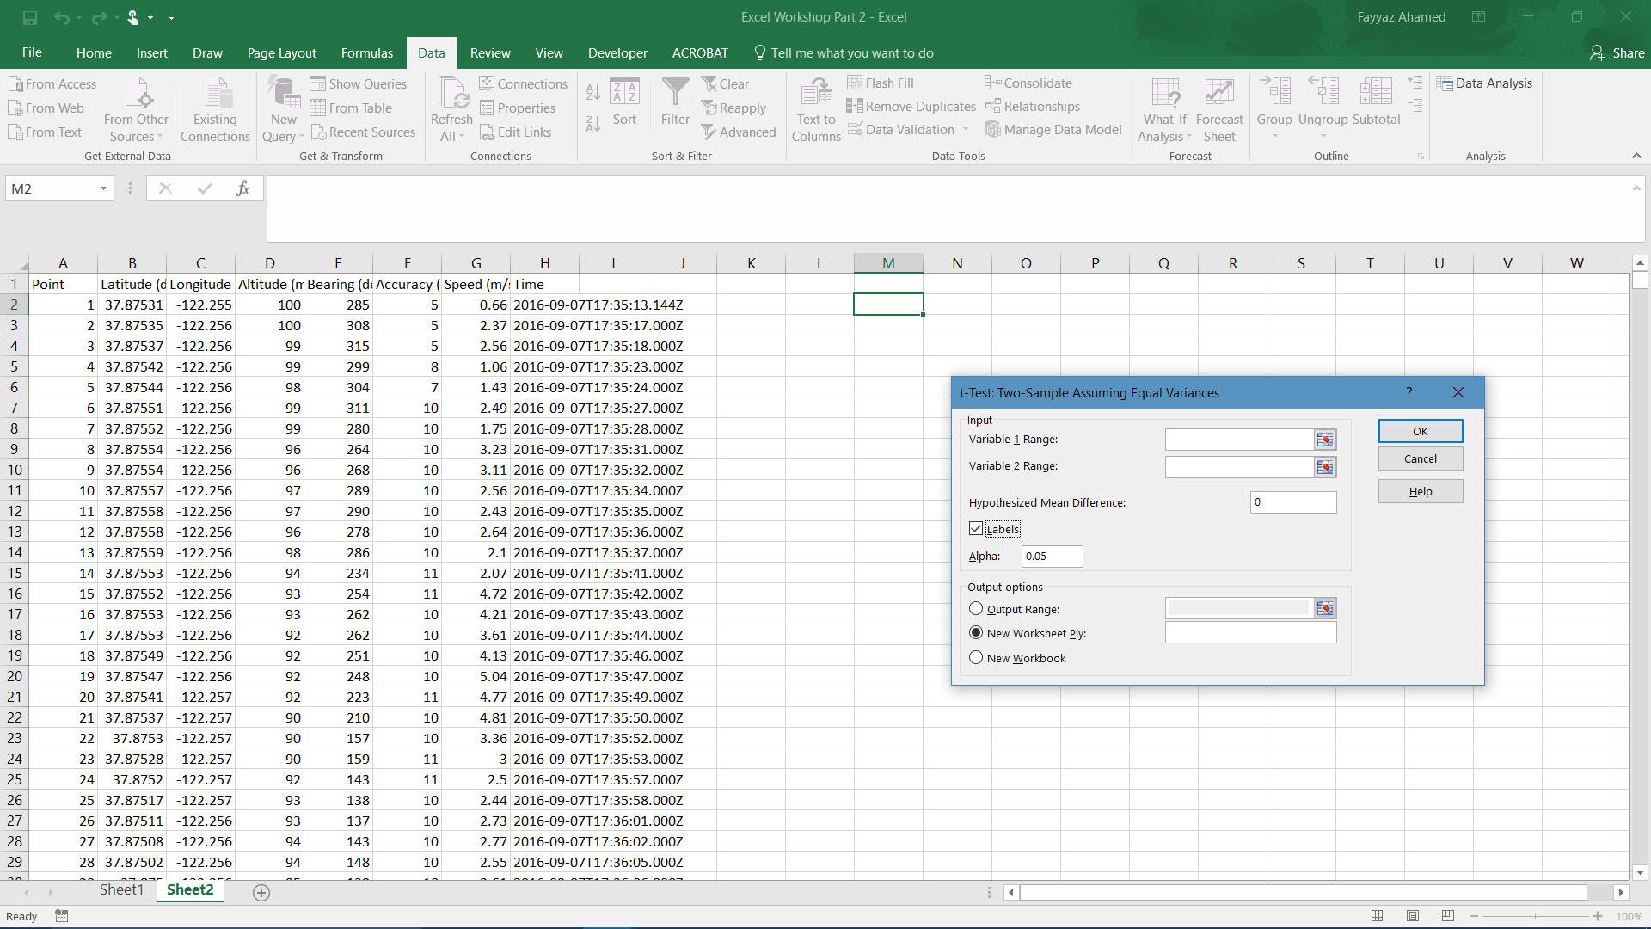

(Alternatively, you could use the =T.TEST() function following the syntax to find the p-value; however, I find this less useful because you do not see the other useful statistics

Double-Check Your Answer this way

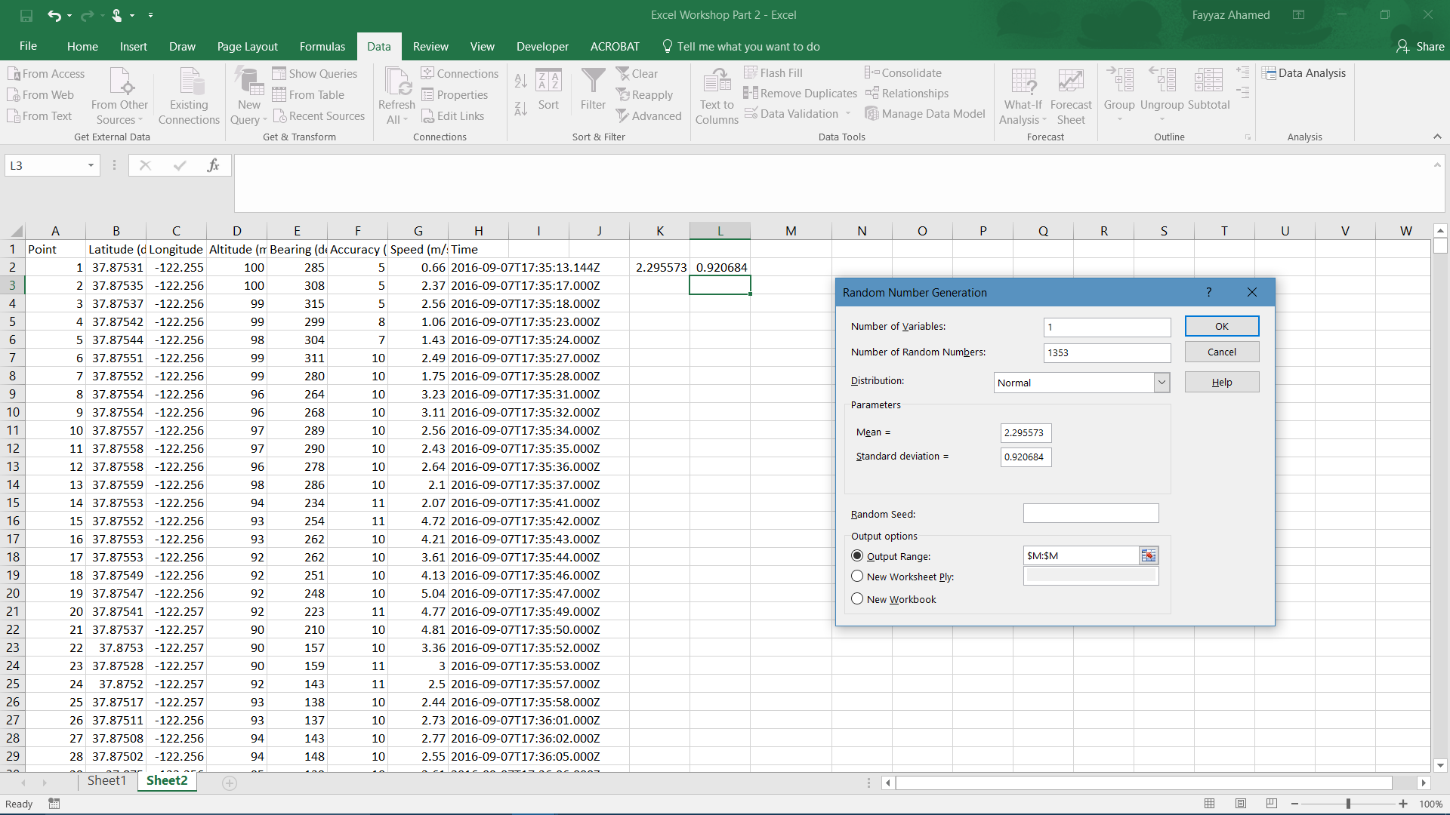
Random Number Generation:
1. The Data Analysis Toolpak is pretty self-explanatory once you know how to use it
2. Let's Say You want a Normal Distribution to compare a histogram
3. Make A Histogram of Speed
4. Make A Note of the Mean and Standard Deviation of Speed From your summary statistics in sheet 4
5. Click the Data Analysis Tab and Random Number Generation
6. Input the Mean and SD into the slots and generate the values next to the speed values
7. Make sure you select Normal, Number of Variables:1, and number of random numbers = 1353
8. Compare Histograms
9. Is the distribution approximately Normal?

(Of course you can know this by checking the skewness, but the main point is that you can create whatever type of distribution you want to model for simulations and other purposes)

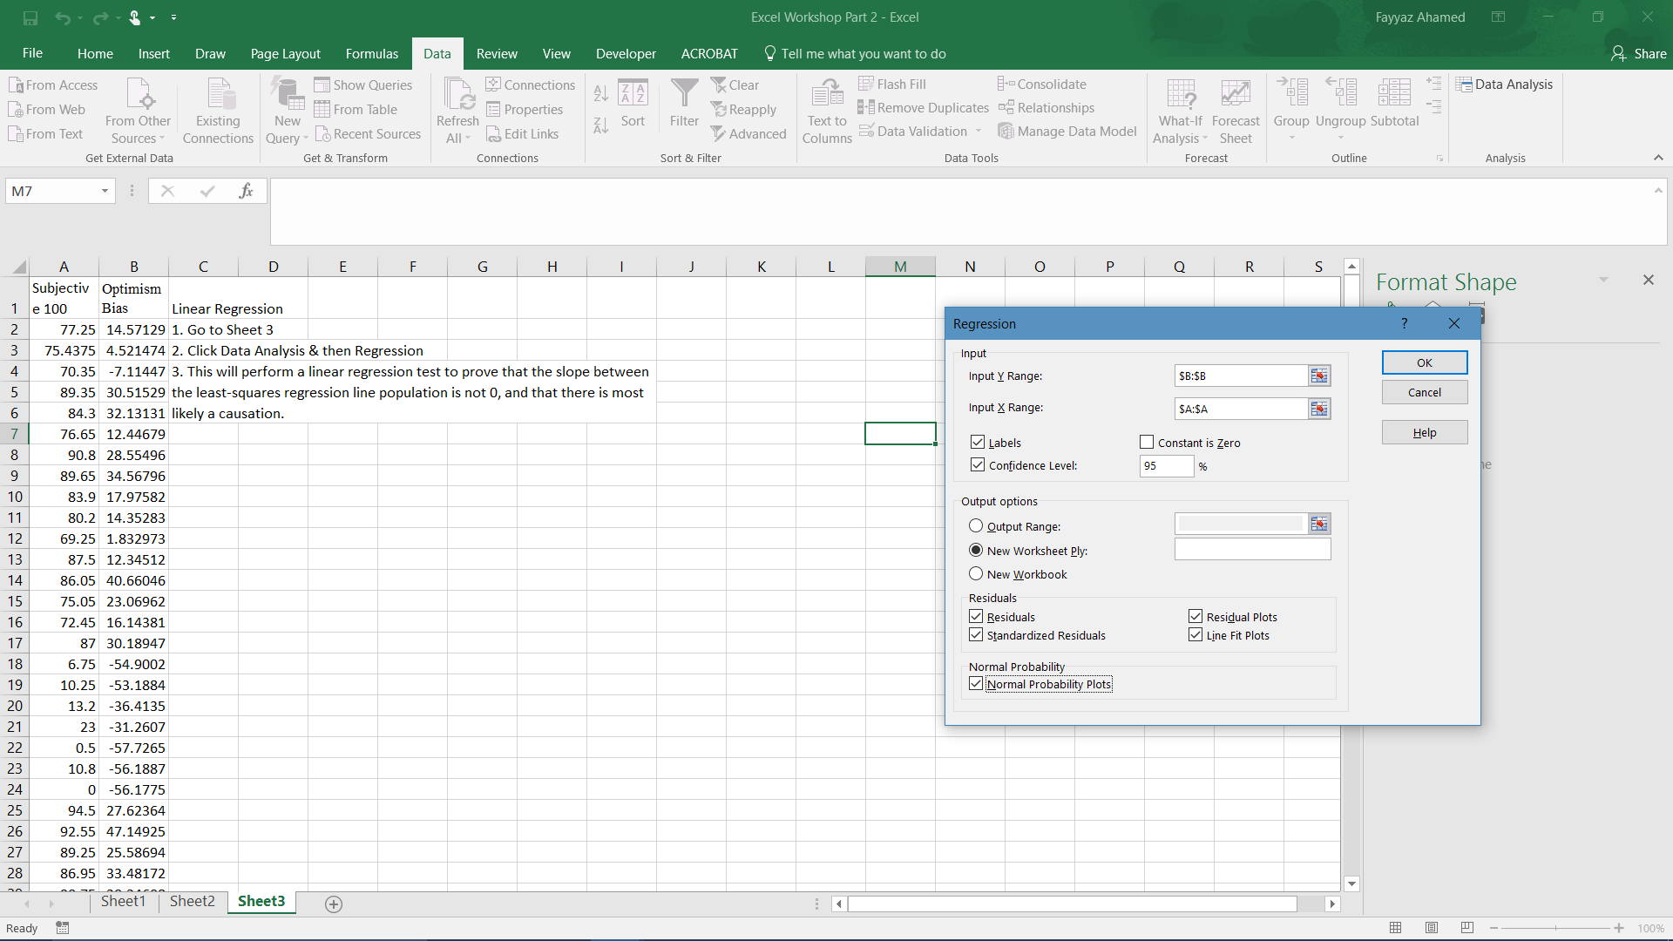
Linear Regression
1. Go to Sheet 3: Linear Regression
2. Click Data Analysis & then Regression
3. This will perform a linear regression test to prove that the slope between the least-squares regression line population is not 0, and that there is most likely a causation.

4. Select the right columns, confidence level, and plot the residuals and normal probability plots to make sure there is equal variance and all the other conditions are met

(Note: Type B:B91 and A:A91, because the system will prompt you to do so anyways)

Scroll Down

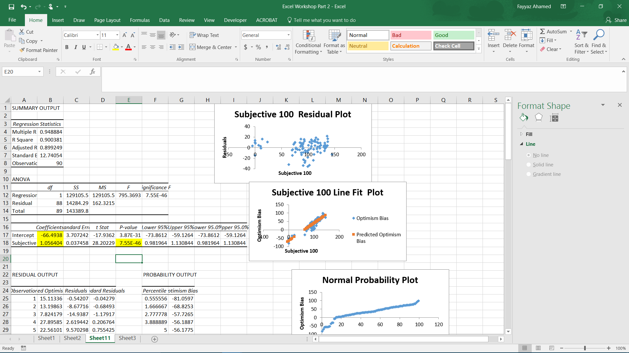
5. The highlighted cells are most useful for interpretation
6. The top left is the y-intercept of the population regression line
7. The bottom left is the slope of the population regression line
8. The right value is the p-value that determines the slope is not 0
9. The values with Lower 95% and Upper 95% provide confidence intervals for the slope and the intercept

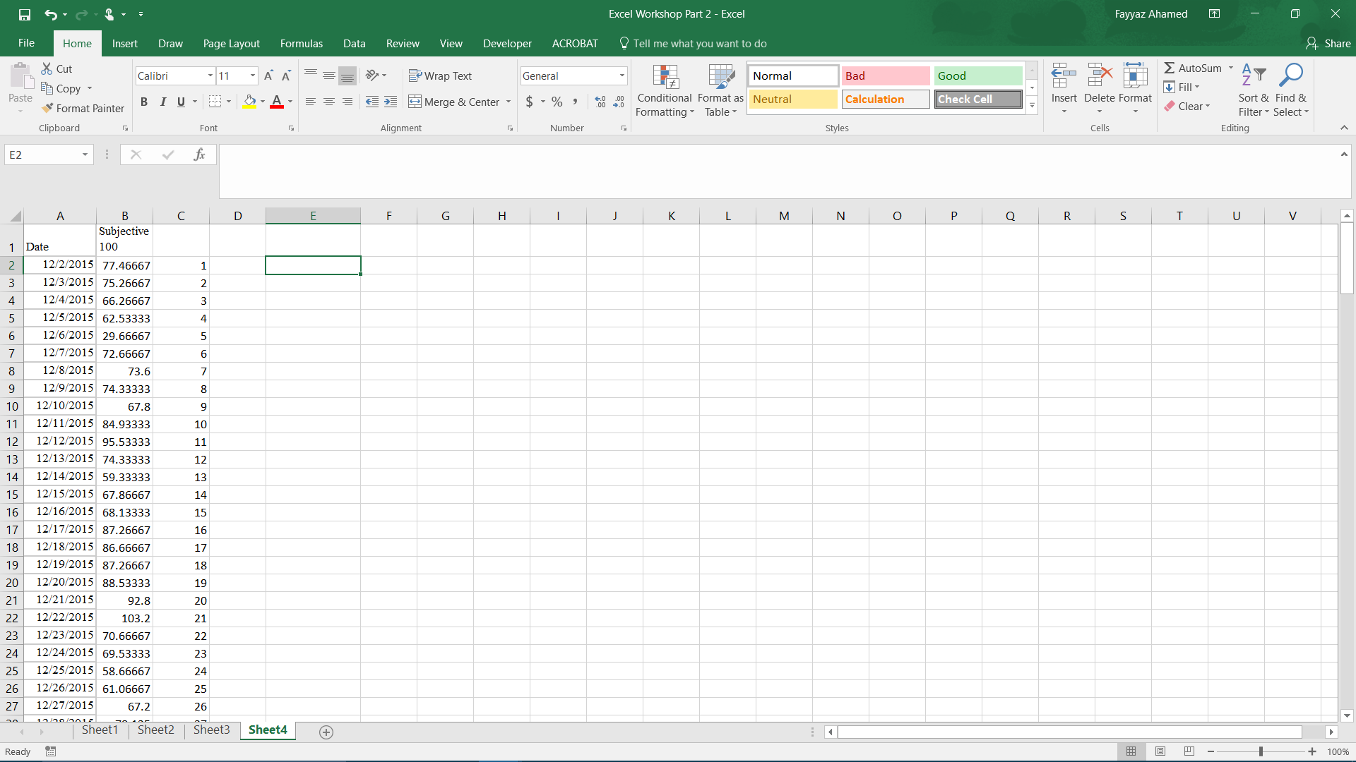
Forecast Function:
Let's Say You want to predict what the value of something will be on a particular date
There's both a function and a sheet that can do this
1. Go to Sheet 4: Forecast Sheet
2. To make things simple, label 12/2/2015 as Day 1 and use Fill-Series to # the days afterwards
3. If you want Excel to predict the value on the last day in the first column, 6/5/16, type the following without the quotation marks

"=FORECAST.ETS(187,B:B,A:A)"
4. If you want to generate tables and graphs immediately instead
5. Go to the Data tab after selecting the first two columns
6. Click Forecast Sheet and click enter
7. If you want to learn more about the functionality of this function, either talk to me afterwards, or google the options for changing seasonality and other options

Conditional Formatting and Surface Graphs
Say you want to instantly look through data without graphing it
There's an option to do that.
1. Select the data you want to look at easily
2. Try Sheet 2: Running Data for this case, select column C
3. On the Home tab, click conditional formatting and choose the first option in color scales
4. This allows you to examine how large or small the value is by its color
5. Red is Lower values, and Green is Higher Values
6. You can change the scale to another if you want
NOTE: If you are comparing data with completely different ranges, do not select columns together; it will mess up your conditional formatting. Choose them one at a time

Excel Macros:
No DSSB Workshop would be a DSSB Workshop without some coding!
This is entirely optional, and Excel will work almost as efficiently if you know your way around.
However, Excel Macros will automate tasks much easier and add more functionality to Excel.
Before starting, you will need to go into your options, go to trust center, and choose disable macros with notification
1. Click File - Options
2. Click Customize Ribbon
3. Check the Developer Option and Click OK
4. Navigate to the Developer Tab
We will start by recording a macro and assigning it a keyboard shortcut
Let's say you're tired of entering the date everyday by either typing it or =TODAY
1. Make sure the "Use Relative References" button is lit up as grey and Click Record Macro
2. Name the macro "Today_date" and assign it a shortcut (TIP: use ctrl+shift+ some key)
3. If you plan on using this on multiple workbooks, put it in personal, otherwise store it in this workbook
4. Click ok and then in any cell type "=TODAY()" without the quotation marks
5. Click Stop Recording
Now, Try it Out!
Here Comes the coding:
1. Click on the Developer tab and then "Macros"
2. Click on your macro and click step into
3. This will pull up your Visual Basic Editor, the GUI that comes up
4. You will code in VBA, Microsoft's Visual Basic for Applications, a programming language
5. Your code should read:
Sub Name()
'Comment
'Comment
ActiveCell.FormulaR1C1 = "=TODAY()"
End Sub
So basically, you defined a sub procedure, which is what most people use, and the computer executed it by putting that formula in the active cell
Excel converted your actions to code and can reproduce it
This works with virtually anything, but the macro recorder can only get you so far
I'll teach you some basic techniques here, but if you want to be an expert, read the Excel VBA Programming For Dummies book
Otherwise, you can watch the macro recorder record your code and use trial and error to perfect it
The MsgBox function is extremely useful for showing the outcome of something when testing code
Check out this code by clicking on the macro called Sqrtpi
(Click developer, then macros, then step into)

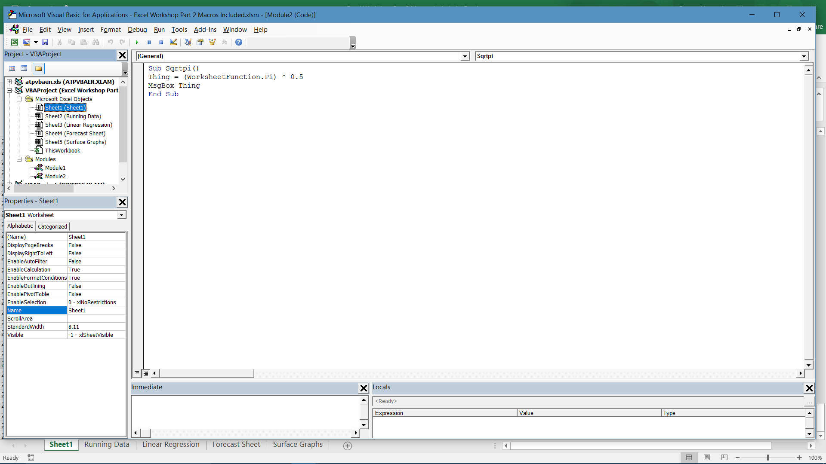
Now I will teach you how to start writing a code using VbA
1. Click on Developer, and then Visual Basic in the Top Left Corner
2. In the top left scrolling area, scroll to the very top till you see a folder icon that says "Modules" next to it
3. Click on that folder
4. Click Insert
5. Click Module
6. You're now ready to code

Say you need to make a new sheet for each month with the same axis labels
1. For this, we will code the very first part, and then use the macro recorder to finish the job
2. Type in "Sub GenerateNewSheets()" to define the sub procedure
3. First, we want to activate the workbook we're on: "ActiveCell.Worksheet.Activate"
4. Click Enter, and type "Application.Worksheets.Add"
5. Next we want to name the worksheet, so we type "ActiveCell.Worksheet.Name = "1stMonth""
6. Next we want to print "Date" in the top-left corner, so we type "Range("A1").Value = "Date""
7. Next we want to print today's date in the cell below
8. Type "Range("A2").Formula "=TODAY()"
9. Now we want to examine how we would use the fill series in normal excel
10. Use the macro recorder to run the same situation
11. Copy and paste the code in
12. Name the next sheets 2ndMonth and so on by copying and pasting the code
13. Type in "=TODAY+30" and so on in following formulas

Now for a bit more advanced example
Now we're going to type a code that fills every other column with the sequence of numbers from 1 to 100
1. Define the macro by typing "Sub FillEveryOtherColumn()"
2. Next, we will code nested For-Next Loops
3. The variable we define to be n is defined by "Dim n As Integer"
4. N will be the column number
5. We will have the code run for about 20 columns
6. Type in the next line "For n = 1 to 20"
7. Type in the next line "Cells(1, 2 * n).Select"
8. This is referring to the cell in the first row, and 2nd column since 2*n for now is equal to 2
9. We want to fill this cell with the value 1 and then increase the value by each cell that the macro goes down
10. Within this loop, we define the new For loop by typing "For x = 1 To 100"
11. To set the active cell that we selected to a value of 1, we type "ActiveCell.Value = x"
12. To move the active cell down by one, we type "ActiveCell.Offset(1,0).Select"
13. This moves the cell down one row and across 0 columns
14. We want to move onto the next number now, so we end the loop by typing "Next x"
15. That does the first filled column until x = 100
16. Next to fill the next column, we want the same code to repeat on the next cell as n increases
17. Thus, we type "Next n" on the next line
18. That finishes the code
19. Try running it!

